Cover Page
FORM BE-185 (REV. 01/2022) |  |  |  |  |  |  |  |  | OMB No. 0608-0065: Approval Expires 01/31/2028
 |  |  |  |  |  |  |  |  | BE-185 Identification Number

 |  | QUARTERLY SURVEY OF FINANCIAL SERVICES TRANSACTIONS BETWEEN
 |  | U.S. FINANCIAL SERVICES PROVIDERS AND FOREIGN PERSONS
 |  | FORM BE-185

 | Due date:
 | Within 30 days of the close of each fiscal |  |  |  | Name and address of U.S. Reporter
 | quarter (or within 45 days of closing the final |  |  | 10001 | Company Name:
 | quarter of your fiscal year). |  |  |  | 0
 |  |  |  | 10002 | Attention:
 | Extension information: |  |  |  | 0
 | See Part VIII.B, page 20 of the General |  |  | 10003 | Address:
 | Instructions. |  |  |  | 0
 |  |  |  | 10004 | City |  |  | 10004_1 | State | 10004_2 | Zip Code
0
0
 | Electronic filing: |  |  |  | 0
 | www.bea.gov/efile

 | Mail via U.S. Postal Service: |  |  |  | Fax reports to:
 | Bureau of Economic Analysis |  |  |  | (301) 278-9508
 | Balance of Payments Division, BE-50 (SSB)
 | 4600 Silver Hill Rd.
 | Washington, DC 20233
 |  |  |  |  | Assistance:
 | Send via Private Express Delivery: |  |  |  | E-mail: be-185help@bea.gov
 | Bureau of Economic Analysis |  |  |  | Telephone: (301) 278-9303
 | Balance of Payments Division, BE-50 (SSB) |  |  |  | FAQ’s, video tutorials, and blank forms: www.bea.gov/ssb
 | 4600 Silver Hill Rd.
 | Suitland, MD 20746

 | BE-185 Filing Requirements:
 | A response is required if you are notified by BEA about this survey. A BE-185 survey must be completed in its entirety by each U.S.
 | person who had combined sales of covered financial services to foreign persons that exceeded $20 million during the previous
 | fiscal year, or are expected to exceed that amount during the current fiscal year; or had combined purchases of covered financial
 | services from foreign persons that exceeded $15 million during the previous fiscal year, or are expected to exceed that amount during
 | the current fiscal year. See Part 1.A on page 13 of the General Instructions for more information on who must report and reporting
 | requirements.

 | Authority, Confidentiality, Penalties
 | This survey is authorized by the International Investment and Trade in Services Survey Act (P.L. 94-472, 90 Stat. 2059, 22 U.S.C.
 | 3101-3108, as amended), and by Section 5408 of the Omnibus Trade and Competitiveness Act of 1988 (P.L. 100-418, 15 U.S.C.
 | 4908(b)). The filing of reports is mandatory, and the Act provides that your report to BEA is confidential. Persons who fail to report
 | may be subject to penalties. See page 13 of the General Instructions for additional details.

 | Contact Information
 | Provide information of person to consult about this report: |  |  |  |  |  | Alternate Contact Information:
 | 10005 | 0 Name and Title |  |  |  | 11001 | 0 Name and Title
 | 10006 | 0 Telephone Number | Extension |  |  | 11002 | 0 Telephone Number |  |  | Extension
 | 10007 | 0 Fax Number |  |  |  | 11003 | 0 Fax Number
 | 10008 | 0 E-Mail Address |  |  |  | 11004 | 0 E-Mail Address

 | NOTE: BEA uses a Secure Messaging System to correspond with you via encrypted message to discuss questions relating to
 | this form. We may use your e-mail address for survey-related announcements and to inform you about secure messages. When
 | communicating with BEA by e-mail, please do not include any confidential business or personal information.

 | Certification
 | The undersigned official certifies that this report has been prepared in accordance with the applicable instructions, is complete, and is
 | substantially accurate including estimates that may have been provided.

 | Signature of Authorized Official |  |  | Date |  |  | Telephone Number |  |  |  | Extension

 | Name |  |  | Title

Page 2
Identification of U.S. Reporter

 | 1 | What is the U.S. Reporter's fiscal quarter covered in this report?

 |  |  |  |  | Month Day Year
 |  | Beginning date ………… |  | 10011 1

 |  |  |  |  | Month Day Year
 |  | Ending date …………… |  | 2

1
 | 2 | What was the status of the U.S. Reporter during the reporting period identified in question ?
 |  | 10014 | 1 1 | In existence the entire reporting period - Continue filling out this form.
 |  |  | 1 2 | In existence during only part of the reporting period - Continue filling out this form for the portion of the reporting period your
 |  |  |  | company was in existence and, in the comments section below, explain why your company did not exist for a part of the period.
 |  |  | 1 3 | Not in existence during the reporting period - In the comments section below, explain why your company was not in existence
 |  |  |  | during the reporting period. Please return form according to instructions on page 1.

1
 | 3 | Was the U.S. Reporter owned more than 50 percent by another U.S. entity or business enterprise at any point during the reporting period
 |  | identified in question ? See part IV.H, on page 15 of the General Instructions for the definition of a business enterprise.
 |  | 10015 | 1 1 | No - Continue filling out this form.
 |  |  | 1 2 | Yes - Check A or B:

 |  |  |  | 2 1 | A - Owned by another U.S. entity or business enterprise for part of the reporting period - Enter the name, contact information, and
 |  |  |  |  | address of the controlling U.S. person below and continue filling out this form, but only report transactions for
 |  |  |  |  | the period during which your company was NOT owned by another U.S. person. Provide any comments in the
 |  |  |  |  | section below.

 |  |  |  | 2 2 | B - Owned by another U.S. entity or business enterprise for the entire reporting period - Enter the name, contact information, and
 |  |  |  |  | address of the controlling U.S. person below, provide any comments in the section below and return form
 |  |  |  |  | according to the instructions on page 1.

 |  | 10016 0 | Name |  |  |  |  |  |  |  | Comments

 |  | 10017 0 | Contact name |  | 10018 | 0 | Phone number

 |  | 10019 0 | Address - Number and street

 |  | 10020 0 | City |  | 10021 | 0 | State | 10022 | 0 | Zip

 | 4 | What is the primary Employer Identification Number used by the U.S. Reporter to file U.S. income or payroll taxes?

 |  | 10013 1 |  |  |  | Enter your 9 digit employer identification number without dashes.

Page 2 |  |  |  |  |  |  |  |  |  |  |  | FORM BE-185 (REV. 01/2022)

Page 3
Identification of U.S. Reporter - Continued

 | 5 | Using the summary of NAICS classifications on the next page, as well as the example below, enter the 4-digit code that best
 |  | describes the primary sales activity of the consolidated domestic U.S. Reporter. After entering your response, continue to page 5.

 |  | Consolidated domestic U.S. Reporter means the fully consolidated domestic U.S. enterprise consisting of (I) the U.S. corporation whose
 |  | voting securities are not owed more than 50 percent by another U.S. corporation, and, proceeding down each ownership chain from that
 |  | U.S. Corporation, (ii) any U.S. corporation whose voting securities are more than 50 percent owned by the U.S. corporation above it. The fully
 |  | consolidated domestic U.S. enterprise excludes foreign branches and other foreign affiliates.

 |  | 10012 1

 |  |  | EXAMPLE FOR DETERMINING PRIMARY SALES ACTIVITY (NAICS CODE)

 |  | Report the NAICS code that best describes the primary sales activity of the consolidated domestic U.S. Reporter. For example, if 60 percent
 |  | of the consolidated domestic U.S. Reporter's sales are generated by Affiliate A, a depository and credit intermediation firm (NAICS 5221), and
 |  | 40 percent of the consolidated domestic U.S. Reporter's sales are generated by Affiliate B, a securities brokerage (NAICS 5231), then you
 |  | should report your NAICS as 5221.

Consolidated domestic
U.S. Reporter
($50 Million Total Sales)

U.S. Affiliate A
NAICS 5221
($30 Million Total Sales)
Use NAICS 5221 because Affiliate A's sales are greater than Affiliate B's

U.S. Affiliate B
NAICS 5231
($20 Million Total Sales)

 |  |  |  | Continue on page 5

FORM BE-185 (REV. 01/2022) |  |  |  |  | Page 3

Page 4
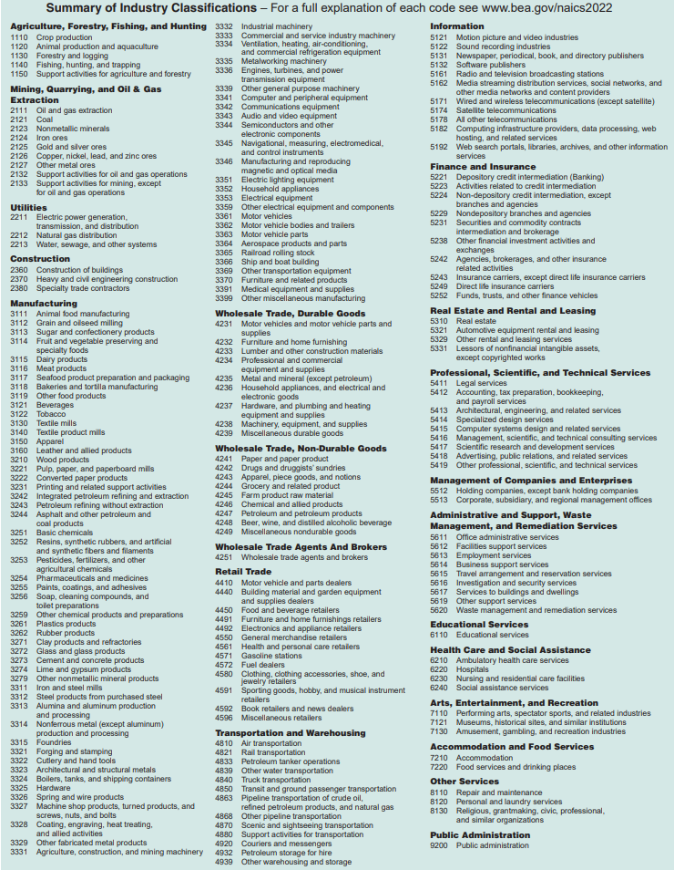

Page 4 | FORM BE-185 (REV. 01/2022)

Page 5
Determination of Reporting Status

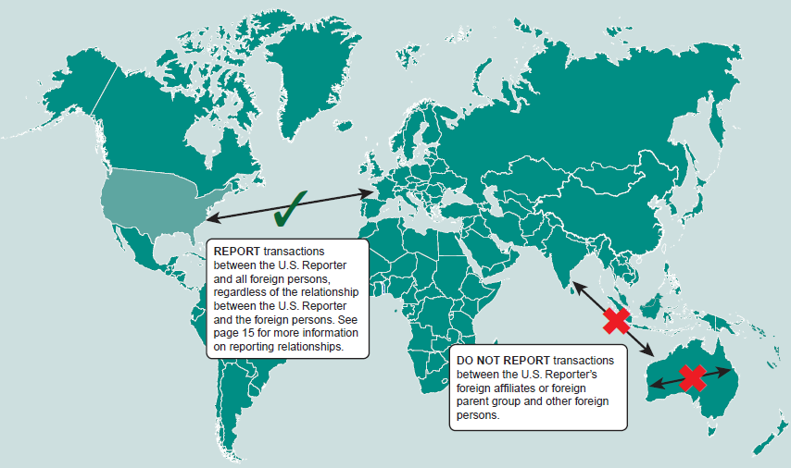

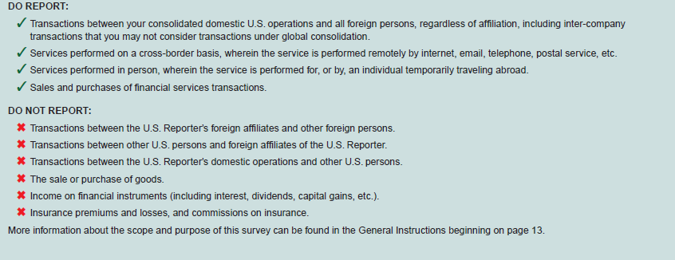

 | Continue to the next page

FORM BE-185 (REV. 01/2022) |  | Page 5

Page 6
Table 1
Part II - Determination of Reporting Status
 | REPORTING INSTRUCTIONS - (below) lists the types of reportable financial services transactions covered by this survey. For each type
 | listed, indicate whether the U.S. Reporter had any transactions with foreign persons during the previous fiscal year, or if the U.S. Reporter has had, or
 | expects to have, such transactions during the current fiscal year. Indicate sales in column 3, and purchases in column 4 by checking the appropriate box.

Table 1
 | Definitions of the types of financial services transactions covered in can be found in Part VI. of the General Instructions beginning on page 17.
 | For additional assistance on selecting the appropriate service category(ies), send an email to BE-185help@bea.gov or call (301) 278-9303.

Table 1
6
 | After completing , continue to question .

Table 1
 | Sales to and Purchases from Foreign Persons

 | Service Code | Type of Financial Service |  | Had sales to foreign persons in the previous fiscal year, or had/expects to have, sales to foreign persons during the current fiscal year |  |  |  | Had purchases from foreign persons in the previous fiscal year, or had/expects to have, purchases from foreign persons during the current fiscal year

 | (1) | (2) |  |  |  | (3) |  |  |  | (4)
 | 1 | Brokerage services related to equity transactions | 20001 | 1 1 | Yes | 1 2 | No | 2 1 | Yes | 2 2 | No
 | 2.1 | Brokerage services related to debt transactions | 200021 | 1 1 | Yes | 1 2 | No | 2 1 | Yes | 2 2 | No
 | 2.2 | Other brokerage services (excluding debt/equity transactions) | 200022 | 1 1 | Yes | 1 2 | No | 2 1 | Yes | 2 2 | No
 | 3 | Underwriting and private placement services related to debt and equity transactions | 20003 | 1 1 | Yes | 1 2 | No | 2 1 | Yes | 2 2 | No
 | 4 | Financial management services1 | 20004 | 1 1 | Yes | 1 2 | No | 2 1 | Yes | 2 2 | No
 | 5 | Credit-related services, except credit card services | 20005 | 1 1 | Yes | 1 2 | No | 2 1 | Yes | 2 2 | No
 | 6 | Credit card services2 | 20006 | 1 1 | Yes | 1 2 | No | 2 1 | Yes | 2 2 | No
 | 7.1 | Financial advisory services3 | 200071 | 1 1 | Yes | 1 2 | No | 2 1 | Yes | 2 2 | No
 | 7.2 | Financial custody services3 | 200072 | 1 1 | Yes | 1 2 | No | 2 1 | Yes | 2 2 | No
 | 8 | Securities lending services | 20008 | 1 1 | Yes | 1 2 | No | 2 1 | Yes | 2 2 | No
 | 9 | Electronic funds transfer services | 20009 | 1 1 | Yes | 1 2 | No | 2 1 | Yes | 2 2 | No
 | 10 | Other financial services4 | 20010 | 1 1 | Yes | 1 2 | No | 2 1 | Yes | 2 2 | No
 | 1Financial management services- only report transactions where the service provider has the authority to direct the use or investment of funds or other
 | assets. See Part IV of the General Instructions on page 17 for more detail.
 | 2Credit Card Services- only report transactions where the financial service entity is also the card network provider.
 | 3Financial advisory and Financial custody services- only report transactions where the service provider does not have the authority to direct the use or
 | investment of funds or other assets. See Part IV of the General Instructions on page 18 for more detail.
 | 4Other financial services- include asset pricing services, security exchange listing fees, demand deposit fees, securities rating services, check processing
 | fees, mutual fund exit fees, load charges, 12b-1 service fees, hedge fund exit fees, security redemption or transfer service fees, ATM network service
 | fees, securities or futures clearing and settling service fees, and brokerage services not already covered under service codes 1, 2.1, or 2.2, such as
6
 | arranging joint ventures and crypto-wallet fees. Please see list of exclusions in Part VII. of the General Instructions on page 19.
6
Table 1
 | Did you check "Yes" for any of the 12 financial services in in either Column 3 or Column 4?

7
 | 20011 1 1 | Yes - Continue to Question on the next page.
 | 1 2 | No - You may STOP HERE and return the report according to the instructions on page 1.

Page 6 |  |  |  |  |  |  |  |  | FORM BE-185 (REV. 01/2022)

Page 7
Part II - Determination of Reporting Status - Continued

Table 1
 | 7 | Did your combined sales of financial services listed in to foreign persons exceed $20 million in the prior fiscal year, or are they
 |  | expected to exceed $20 million in the current fiscal year?

Schedule A
Schedule A
 |  | 20012 1 1 Yes -- | You are required to report sales of financial services to foreign persons on for each service checked "Yes".
 |  | 1 2 No -- | You are requested to report sales of financial services to foreign persons on for each service checked "Yes".

Table 1
 | 8 | Did your combined purchases of financial services listed in from foreign persons exceed $15 million in the prior fiscal year, or
 |  | are they expected to exceed $15 million in the current fiscal year?
Schedule B
 |  | 20013 1 1 Yes -- | You are required to report purchases of financial services from foreign persons on for each service checked
 |  | "Yes".

Schedule B
 |  | 1 2 No -- | You are requested to report purchases of financial services from foreign persons on for each service checked
 |  | "Yes".
Schedule B
Schedule A
 | 9 | Will you be reporting ALL of your transactions on and/or either on a mandatory or voluntary basis?

10
Schedule A
B
10
 |  | 20014 1 1 Yes -- | Skip Question and continue to the schedules.
 |  | 1 2 No, I have combined sales and/or purchases below the reporting thresholds that I will not voluntarily report on
 |  | and/or -- Continue to Question .
9
Schedules A
B
 | 10 | If you answered "No" to question , please provide an estimate of the total amount of sales and/or purchases that you elected not to
 |  | report voluntarily on and/or .

 |  | IMPORTANT - Report amounts in thousands of U.S. dollars (omitting 000).
 |  | Round amounts of less than $500.00 to 0. Do not enter amounts in the shaded
 |  | portions of each item. |  |  |  |  | $ | Bil. Mil. Thous. |  |  | Dols.
 |  | EXAMPLE - If amount is $1,334,891.00, report as.......................................... |  |  |  |  | 1 |  | 1 | 335 | 000

Schedule A
Schedule B
 |  |  | Total sales to foreign persons |  | Total purchases from foreign persons
 |  |  | not reported on |  |  | not reported on

 |  | $ | Mil. Thous. Dols. |  | $ | Mil. Thous. Dols.
 |  | 20015 1 |  | 000 | 2 |  | 000

 |  | Comments

FORM BE-185 (REV. 01/2022) |  |  |  |  |  |  |  |  |  |  | Page 7

Page 8
Schedule A
B
Understanding Reporting Relationships
(For use on and )
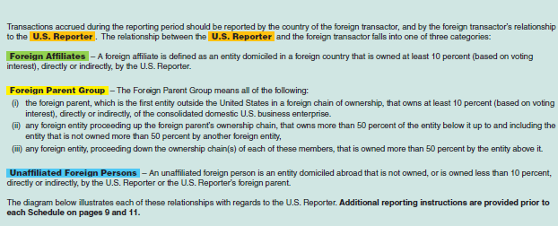

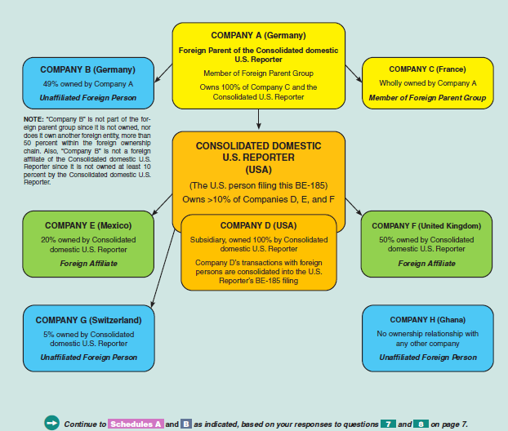

Page 8 | FORM BE-185 (REV. 01/2022)

Page 9
SCHEDULE A – U.S. Reporter’s Sales of Financial Services to Foreign Persons
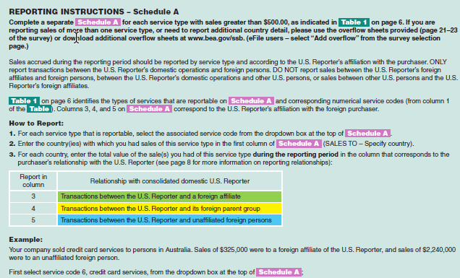

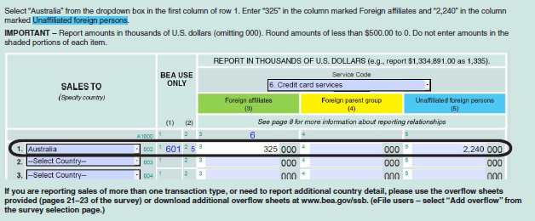

FORM BE-185 (REV. 01/2022) | Page 9

Schedule A
SCHEDULE A - U.S. Reporter's Sales of Financial Services to Foreign Persons

Schedule A
 | Complete a separate for each service type with sales greater than $500.00 during the reporting period. If you are reporting
 | sales of more than one service type, or need to report additional country detail, please use the overflow sheets provided (pages 21–23 of the
 | survey) or download additional overflow sheets at www.bea.gov/ssb. (eFile users – select “Add overflow” from the survey selection page.)

 |  |  |  |  |  | BEA USE ONLY |  |  | REPORT IN THOUSANDS OF U.S. DOLLARS (e.g., report $1,334,891.00 as 1,335).
 |  |  |  |  |  |  |  | Service Code
 |  |  |  |  |  |  |  |  |  |  |  | (Select the service from page 6 from the drop down menu below)
 |  | SALES TO
 |  | (Specify country) |  |  |  |  |  | Foreign affiliates |  |  | Foreign parent group |  |  | Unaffiliated foreign persons
 |  |  |  |  |  |  |  |  | (3) |  |  | (4) |  |  | (5)
 |  |  |  |  | (1) |  | (2) | See page 8 for more information about reporting relationships
 |  |  | A1000 | 1 |  | 2 | 0 | 3 | 0 |  | 4 | 0 |  | 5 | 0
 |  | 1. | 002 | 1 |  | 2 | 0 | 3 |  | 000 | 4 |  | 000 | 5 |  | 000
 |  | 2. | 003 | 1 |  | 2 | 0 | 3 |  | 000 | 4 |  | 000 | 5 |  | 000
 |  | 3. | 004 | 1 |  | 2 | 0 | 3 |  | 000 | 4 |  | 000 | 5 |  | 000
 |  | 4. | 005 | 1 |  | 2 | 0 | 3 |  | 000 | 4 |  | 000 | 5 |  | 000
 |  | 5. | 006 | 1 |  | 2 | 0 | 3 |  | 000 | 4 |  | 000 | 5 |  | 000
 |  | 6. | 007 | 1 |  | 2 | 0 | 3 |  | 000 | 4 |  | 000 | 5 |  | 000
 |  | 7. | 008 | 1 |  | 2 | 0 | 3 |  | 000 | 4 |  | 000 | 5 |  | 000
 |  | 8. | 009 | 1 |  | 2 | 0 | 3 |  | 000 | 4 |  | 000 | 5 |  | 000
 |  | 9. | 010 | 1 |  | 2 | 0 | 3 |  | 000 | 4 |  | 000 | 5 |  | 000
 |  | 10. | 011 | 1 |  | 2 | 0 | 3 |  | 000 | 4 |  | 000 | 5 |  | 000
 |  | 11. | 012 | 1 |  | 2 | 0 | 3 |  | 000 | 4 |  | 000 | 5 |  | 000
 |  | 12. | 013 | 1 |  | 2 | 0 | 3 |  | 000 | 4 |  | 000 | 5 |  | 000
 |  | 13. | 014 | 1 |  | 2 | 0 | 3 |  | 000 | 4 |  | 000 | 5 |  | 000
 |  | 14. | 015 | 1 |  | 2 | 0 | 3 |  | 000 | 4 |  | 000 | 5 |  | 000
 |  | 15. | 016 | 1 |  | 2 | 0 | 3 |  | 000 | 4 |  | 000 | 5 |  | 000
 |  | 16. | 017 | 1 |  | 2 | 0 | 3 |  | 000 | 4 |  | 000 | 5 |  | 000
 |  | 17. | 018 | 1 |  | 2 | 0 | 3 |  | 000 | 4 |  | 000 | 5 |  | 000
 |  | 18 | 019 | 1 |  | 2 | 0 | 3 |  | 000 | 4 |  | 000 | 5 |  | 000
 |  | 19. | 020 | 1 |  | 2 | 0 | 3 |  | 000 | 4 |  | 000 | 5 |  | 000
 |  | 20. | 021 | 1 |  | 2 | 0 | 3 |  | 000 | 4 |  | 000 | 5 |  | 000
 |  | 21. | 022 | 1 |  | 2 | 0 | 3 |  | 000 | 4 |  | 000 | 5 |  | 000
 |  | 22. | 023 | 1 |  | 2 | 0 | 3 |  | 000 | 4 |  | 000 | 5 |  | 000
 |  | 23. | 024 | 1 |  | 2 | 0 | 3 |  | 000 | 4 |  | 000 | 5 |  | 000
 |  | 24. | 025 | 1 |  | 2 | 0 | 3 |  | 000 | 4 |  | 000 | 5 |  | 000
 |  | 25. | 026 | 1 |  | 2 | 0 | 3 |  | 000 | 4 |  | 000 | 5 |  | 000
 |  | 26. | 027 | 1 |  | 2 | 0 | 3 |  | 000 | 4 |  | 000 | 5 |  | 000
 |  | 27. | 028 | 1 |  | 2 | 0 | 3 |  | 000 | 4 |  | 000 | 5 |  | 000
 |  | 28. | 029 | 1 |  | 2 | 0 | 3 |  | 000 | 4 |  | 000 | 5 |  | 000
 |  | 29. Total all countries this page | 001 | 1 | 0 | 2 | 0 | 3 | 0 | 000 | 4 | 0 | 000 | 5 | 0 | 000

 | 30. If you reported sales of Service Code 10, other financial services, you are required to specify the major type of financial service on the line below. For
...

Schedule A (2)
SCHEDULE A - U.S. Reporter's Sales of Financial Services to Foreign Persons

Schedule A
 | Complete a separate for each service type with sales greater than $500.00 during the reporting period. If you are reporting
 | sales of more than one service type, or need to report additional country detail, please use the overflow sheets provided (pages 21–23 of the
 | survey) or download additional overflow sheets at www.bea.gov/ssb. (eFile users – select “Add overflow” from the survey selection page.)

 |  |  |  | BEA USE ONLY |  |  | REPORT IN THOUSANDS OF U.S. DOLLARS (e.g., report $1,334,891.00 as 1,335).
 |  |  |  |  |  | Service Code
...
 |  | SALES TO
 |  | (Specify country) |  |  |  | Foreign affiliates
 |  |  |  |  |  |  | (3)
 |  |  | (1) |  | (2) | See page 8 for more information about reporting relationships
...

Page 11
SCHEDULE B – U.S. Reporter’s Purchases of Financial Services from Foreign Persons
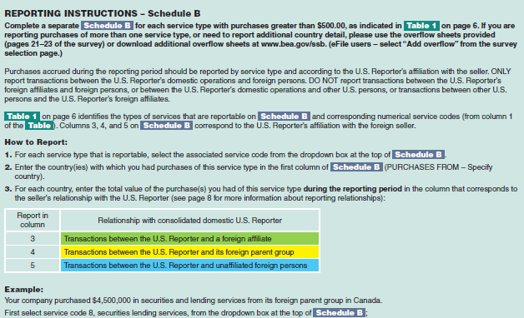

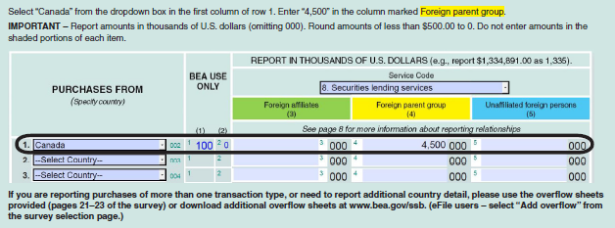

FORM BE-185 (REV. 01/2022) | Page 11

Schedule B
SCHEDULE B - U.S. Reporter's Purchases of Financial Services from Foreign Persons

Schedule B
 | Complete a separate for each service type with purchases greater than $500.00 during the reporting period. If you are reporting
 | purchases of more than one service type, or need to report additional country detail, please use the overflow sheets provided (pages 21–23 of
 | the survey) or download additional overflow sheets at www.bea.gov/ssb. (eFile users – select “Add overflow” from the survey selection page.)

 |  |  |  | BEA USE ONLY |  |  | REPORT IN THOUSANDS OF U.S. DOLLARS (e.g., report $1,334,891.00 as 1,335).
 |  |  |  |  |  | Service Code Number
...
 |  | PURCHASES FROM
 |  | (Specify country) |  |  |  | Foreign affiliates
 |  |  |  |  |  |  | (3)
 |  |  | (1) |  | (2) | See page 8 for more information about reporting relationships
...

Schedule B (2)
SCHEDULE B - U.S. Reporter's Purchases of Financial Services from Foreign Persons

Schedule B
 | Complete a separate for each service type with purchases greater than $500.00 during the reporting period. If you are reporting
 | purchases of more than one service type, or need to report additional country detail, please use the overflow sheets provided (pages 21–23 of
 | the survey) or download additional overflow sheets at www.bea.gov/ssb. (eFile users – select “Add overflow” from the survey selection page.)

 |  |  |  | BEA USE ONLY |  |  | REPORT IN THOUSANDS OF U.S. DOLLARS (e.g., report $1,334,891.00 as 1,335).
 |  |  |  |  |  | Service Code Number
...
 |  | PURCHASES FROM
 |  | (Specify country) |  |  |  | Foreign affiliates
 |  |  |  |  |  |  | (3)
 |  |  | (1) |  | (2) | See page 8 for more information about reporting relationships
...

Overflow (1)
Schedules A
B
...
 |  |  |  |  |  |  | Control Number
 | (Enter "A" or "B")
 |  |  |  |  |  |  | Overflow Page # |  |  | of

 |  | BEA USE ONLY |  | (Select the service from page 6 from the drop down menu below)
...
 |  |  |  | Foreign affiliates |  | Foreign parent group |  |  | Unaffiliated foreign persons
025 | 1 | 2 | 0 | 3 | 000 | 4 |  | 000 | 5 |  | 000
026 | 1 | 2 | 0 | 3 | 000 | 4 |  | 000 | 5 |  | 000
027 | 1 | 2 | 0 | 3 | 000 | 4 |  | 000 | 5 |  | 000
028 | 1 | 2 | 0 | 3 | 000 | 4 |  | 000 | 5 |  | 000
029 | 1 | 2 | 0 | 3 | 000 | 4 |  | 000 | 5 |  | 000
...
Schedule A
B
...

Overflow (2)
Schedules A
B
...
 |  |  |  |  |  |  | Control Number
 | (Enter "A" or "B")
 |  |  |  |  |  |  | Overflow Page # |  |  | of

 |  | BEA USE ONLY |  | (Select the service from page 6 from the drop down menu below)
...
 |  |  |  | Foreign affiliates |  | Foreign parent group |  |  | Unaffiliated foreign persons
025 | 1 | 2 | 0 | 3 | 000 | 4 |  | 000 | 5 |  | 000
026 | 1 | 2 | 0 | 3 | 000 | 4 |  | 000 | 5 |  | 000
027 | 1 | 2 | 0 | 3 | 000 | 4 |  | 000 | 5 |  | 000
028 | 1 | 2 | 0 | 3 | 000 | 4 |  | 000 | 5 |  | 000
029 | 1 | 2 | 0 | 3 | 000 | 4 |  | 000 | 5 |  | 000
...
Schedule A
B
...

Overflow (3)
Schedules A
B
...
 |  |  |  |  |  |  | Control Number
 | (Enter "A" or "B")
 |  |  |  |  |  |  | Overflow Page # |  |  | of

 |  | BEA USE ONLY |  | (Select the service from page 6 from the drop down menu below)
...
 |  |  |  | Foreign affiliates |  | Foreign parent group |  |  | Unaffiliated foreign persons
025 | 1 | 2 | 0 | 3 | 000 | 4 |  | 000 | 5 |  | 000
026 | 1 | 2 | 0 | 3 | 000 | 4 |  | 000 | 5 |  | 000
027 | 1 | 2 | 0 | 3 | 000 | 4 |  | 000 | 5 |  | 000
028 | 1 | 2 | 0 | 3 | 000 | 4 |  | 000 | 5 |  | 000
029 | 1 | 2 | 0 | 3 | 000 | 4 |  | 000 | 5 |  | 000
...
Schedule A
B
...

Overflow (4)
Schedules A
B
...
 |  |  |  |  |  |  | Control Number
 | (Enter "A" or "B")
 |  |  |  |  |  |  | Overflow Page # |  |  | of

 |  | BEA USE ONLY |  | (Select the service from page 6 from the drop down menu below)
...
 |  |  |  | Foreign affiliates |  | Foreign parent group |  |  | Unaffiliated foreign persons
025 | 1 | 2 | 0 | 3 | 000 | 4 |  | 000 | 5 |  | 000
026 | 1 | 2 | 0 | 3 | 000 | 4 |  | 000 | 5 |  | 000
027 | 1 | 2 | 0 | 3 | 000 | 4 |  | 000 | 5 |  | 000
028 | 1 | 2 | 0 | 3 | 000 | 4 |  | 000 | 5 |  | 000
029 | 1 | 2 | 0 | 3 | 000 | 4 |  | 000 | 5 |  | 000
...
Schedule A
B
...

Overflow (5)
Schedules A
B
...
 |  |  |  |  |  |  | Control Number
 | (Enter "A" or "B")
 |  |  |  |  |  |  | Overflow Page # |  |  | of

 |  | BEA USE ONLY |  | (Select the service from page 6 from the drop down menu below)
...
 |  |  |  | Foreign affiliates |  | Foreign parent group |  |  | Unaffiliated foreign persons
025 | 1 | 2 | 0 | 3 | 000 | 4 |  | 000 | 5 |  | 000
026 | 1 | 2 | 0 | 3 | 000 | 4 |  | 000 | 5 |  | 000
027 | 1 | 2 | 0 | 3 | 000 | 4 |  | 000 | 5 |  | 000
028 | 1 | 2 | 0 | 3 | 000 | 4 |  | 000 | 5 |  | 000
029 | 1 | 2 | 0 | 3 | 000 | 4 |  | 000 | 5 |  | 000
...
Schedule A
B
...

Overflow (6)
Schedules A
B
...
 |  |  |  |  |  |  | Control Number
 | (Enter "A" or "B")
 |  |  |  |  |  |  | Overflow Page # |  |  | of

 |  | BEA USE ONLY |  | (Select the service from page 6 from the drop down menu below)
...
 |  |  |  | Foreign affiliates |  | Foreign parent group |  |  | Unaffiliated foreign persons
025 | 1 | 2 | 0 | 3 | 000 | 4 |  | 000 | 5 |  | 000
026 | 1 | 2 | 0 | 3 | 000 | 4 |  | 000 | 5 |  | 000
027 | 1 | 2 | 0 | 3 | 000 | 4 |  | 000 | 5 |  | 000
028 | 1 | 2 | 0 | 3 | 000 | 4 |  | 000 | 5 |  | 000
029 | 1 | 2 | 0 | 3 | 000 | 4 |  | 000 | 5 |  | 000
...
Schedule A
B
...

Overflow (7)
Schedules A
B
...
 |  |  |  |  |  |  | Control Number
 | (Enter "A" or "B")
 |  |  |  |  |  |  | Overflow Page # |  |  | of

 |  | BEA USE ONLY |  | (Select the service from page 6 from the drop down menu below)
...
 |  |  |  | Foreign affiliates |  | Foreign parent group |  |  | Unaffiliated foreign persons
025 | 1 | 2 | 0 | 3 | 000 | 4 |  | 000 | 5 |  | 000
026 | 1 | 2 | 0 | 3 | 000 | 4 |  | 000 | 5 |  | 000
027 | 1 | 2 | 0 | 3 | 000 | 4 |  | 000 | 5 |  | 000
028 | 1 | 2 | 0 | 3 | 000 | 4 |  | 000 | 5 |  | 000
029 | 1 | 2 | 0 | 3 | 000 | 4 |  | 000 | 5 |  | 000
...
Schedule A
B
...

Overflow (8)
Schedules A
B
...
 |  |  |  |  |  |  | Control Number
 | (Enter "A" or "B")
 |  |  |  |  |  |  | Overflow Page # |  |  | of

 |  | BEA USE ONLY |  | (Select the service from page 6 from the drop down menu below)
...
 |  |  |  | Foreign affiliates |  | Foreign parent group |  |  | Unaffiliated foreign persons
025 | 1 | 2 | 0 | 3 | 000 | 4 |  | 000 | 5 |  | 000
026 | 1 | 2 | 0 | 3 | 000 | 4 |  | 000 | 5 |  | 000
027 | 1 | 2 | 0 | 3 | 000 | 4 |  | 000 | 5 |  | 000
028 | 1 | 2 | 0 | 3 | 000 | 4 |  | 000 | 5 |  | 000
029 | 1 | 2 | 0 | 3 | 000 | 4 |  | 000 | 5 |  | 000
...
Schedule A
B
...

Instructions
Double Click pdf below

